Cost
Campbell |  | $thousands |  |  |  |  |  |  |  |  |  |  |  |  |  |  | Date of reference for today | 2026-09-01
Date | DOE Order | Gross Cost | Revenues during period | Net Cost | Source
May 23-August 20, 2025 | 202-25-3 | $119,653 | $77,672 | $41,981 | eLibrary | File List | 20260123-5236
August 2025-November 19, 2025 | 202-25-7 |  | 77000 | 93000 | Inline Viewer: CMS ENERGY CORPORATION 10-K 2025-12-31 | But these are only the costs through December 31, 2025
November 19-February 17, 2026 | 202-25-9 |  | 143000 | 138000 | FERC 20260417-8021 | second emergency order period through march 31, 2026
February 17- May 18 | 202-26-16 |  |  |  |  |  |  | CAMPBELL: Look to FERC requests, First EO, net costs were $42M after MISO revenues of $78M. Second EO, net costs were $93M after MISO revenues of $77M.
May 19- August 16, 2026 | 202-26-22
May 2025-June 30, 2026 |  |  | 239000 | 259000 | FERC 20260813-8008
 |  |  |  |  |  |  |  |  | Plant | Start day | End date | Net cost through end date of data | Source | Days |  | Cost per day | Estimated Cost to date | Estimated annual cost per grid strategies | Estimated Synapse cost per day | Source
F.B. Culley Generating Station |  |  |  |  |  |  |  |  | Campbell | 2025-05-23 | 30-Jun-26 | $259,000 | 10-Q filings | 403 |  | $643 | $299,489 | $139,402.93
Date |  | Gross Cost | Revenues | Net Cost | Source |  |  |  | Centralia | 2025-12-16 | 14-Jun-26 | 26257.64807 | FERC Filing | 180 |  | $146 | $37,782 | $65,191.04
December 23-March 23, 2026 | 202-25-13 |  |  |  |  |  |  |  | Craig | 30-Dec-25 | 2026-03-30 |  |  | 90 |  | $- | $53,524 | $79,740.48 | 218.467 | Grid Strategies Report
March 24-June 21, 2026 | 202-26-20 |  |  |  |  |  |  |  | R M Schahfer Generating Station | 23-Dec-25 | 23-Mar-26 | 38046.241 | Draft Transmittal Letter 202(c) Cost Recovery (8.4.2026)(126091530.6) | 90 |  | $423 | $106,529 | $75,649.85 | 173.944 | Synapse
 |  |  |  |  |  |  |  |  | Eddystone Generating Station | 2025-05-30 | 2026-05-03 | 10200 | NRDC | 338 |  | $30.2 | $13,851 | $69,844.37 | 21 | more information here https://www.pjm.com/-/media/DotCom/committees-groups/subcommittees/mss/2025/20251014/20251014-eddystone-doe-202c-cost-allocation.pdf
Centralia |  |  |  |  |  |  |  |  | Herbert A Wagner | 2025-07-28 | 31-Dec-25 |  |  | 156 |  | $- | $217 |  | from https://www.ferc.gov/media/new-bullet-point-2023-common-metrics- $49,858/ MW-year for Wagner
Date |  | Gross Cost | Revenues | Net Cost | Source |  |  |  | C H Stanton Energy Center | 4-Jun-26 | 2026-09-01 |  |  | 89 |  | $- | $20,787 | $85,249.40 | 233.56 | S&P modeled data, but it's gross cost
December 16-March 16, 2026 | 202-25-11 | 26257.64807 |  |  |  |  |  |  | Culley Unit 2 | 23-Dec-25 | 23-Mar-26 | 1900 | Synapse | 90 |  | $21 | $5,320 | $9,261.97
March 31-June 14, 2026 | 202-26-18
March 17, 2026-June 14,2026 |  | 6395.34807 | 0 | 6395.34807 | 20260805-5112 FERC tariff filing |  |  |  |  |  |  |  |  |  |  | 1000
Craig |  |  |  |  |  |  |  |  |  |  |  |  | 15.556363636
Date |  | Gross Cost | Revenues | Net Cost | Source |  |  |  | Plant | Median estimate ($ thousands/DAY) | Grid Strategies Estimate ($/DAY) | Sierra Club Estimate ($/DAY) | Other Source? ($/day) | Filing data (SEC/FERC) ($/DAY) or EIA data | EI 2024 costs | Estimated Cost to Date | Explanation of Cost to Date Methods | Min Estimate | Max Estimate | Error Below (Median-Min) | Error Above (Max-Median)
December 30-March 30, 2026 | 202-25-14 |  |  |  |  |  |  |  | Campbell Units 1-3 | $624 | $381.93 | 605.381 |  | $643 | $916 | $290,798.19 | Median cost includes estimates from filing data through June 30, EI report, Sierra Club cost estimates based on 2025 filings, and Grid Strategies | $381.93 | $916.36 | $242.10 | $292.33
March 31- June 28, 2026 | 202-26-21 |  |  |  |  |  |  |  | Centralia Unit BW22 | $200 | $178.61 | 220.692 |  | $146 | $364 | $51,709.04 | Median cost includes estimates from filing data through June 14, EI report, Sierra Club cost estimates based on tthe first FERC cost recovery application, and Grid Strategies | $145.88 | $363.63 | $53.77 | $163.98
 |  |  |  |  |  |  |  |  | Craig Unit 1 | $300 | $218.47 |  |  |  | $381 | $73,451.22 | Median cost includes Grid Strategies and EI estimates. | $218.47 | $381.13 | $81.33 | $81.33
 |  |  |  |  |  |  |  |  | R M Schahfer Units 17 and 18 | $363 | $207.26 | 363.492 | 208 | $423 | $376 | $91,599.98 | Median cost includes cost recovery filing for Q1 2026 filed with FERC, Sierra Club estimates based on SEC filings with the cost of maintenance, Grid Strategies, Synapse estimates, and the EI 2024 report | $207.26 | $422.74 | $156.23 | $59.24
Schahfer |  |  |  |  |  |  |  |  | Eddystone Units 3 and 4 | $111 | $191.35 |  | $30 |  |  | $50,841.58 | Median Cost based on NRDC analysis and Grid Strategies Reports. | $30.18 | $191.35 | $80.59 | $80.59
Date |  | Gross Cost | Revenues | Net Cost | Source |  | REMOVE |  | Herbert A Wagner | $96 |  |  | 95.890410959 |  |  | $38,356.16 | the EIA data didn't reveal much because the plant is actually not producing. The RMR agreement between PJM, Talen Energy, and PSC approved a RMR contract of $137/MW-day, or $35M annually, which was used to approximate | $95.89 | $95.89 | $0.00 | $0.00
December 23-March 23, 2026 | 202-25-11 |  |  |  |  |  |  |  | C H Stanton Unit 1 | $204 |  |  | $233.56 | $42.50 | $204 | $18,194.25 | Median cost includes EIA-923 2025 generation data helped estimate the average cost to ratepayers using Grid Strategies' $89K/MW-year, | $42.50 | $233.56 | $161.93 | $29.13
March 24 - June 21, 2026 | 202-26-19 |  |  |  |  |  |  |  | Culley Unit 2 | $25 | $25.38 |  | 21 |  | $80 | $6,394.57 | Median cost includes Synapse estimates, Grid Strategies, and EI 2024 data. | $21.00 | $80.41 | $4.38 | $55.03
23-Dec-25 | 23-Mar-26 |  |  | 18700 | Synapse
Eddystone |  |  |  |  |  |  |  |  | Plant | Median estimate ($ thousands/DAY) | Grid Strategies Estimate ($/DAY) | Sierra Club Estimate ($/DAY) | Other Source? ($/day) | Filing data (SEC/FERC) ($/DAY) | EI 2024 costs | Estimated Cost to Date | Explanation of Cost to Date Methods | Min Estimate | Max Estimate | Error Below (Median-Min) | Error Above (Max-Median)
Date | DOE Order | Gross Cost | Revenues | Net Cost | Source |  |  |  | C. H. Stanton #1 | $204 |  | $234 | $43 |  | $204 | $18,194 | Median cost includes EIA-923 2025 generation data helped estimate the average cost to ratepayers using Grid Strategies' $89K/MW-year, | $43 | $234 | $162 | $29
May 30-August 28, 2025 | 202-25-4 |  |  |  |  |  |  |  | F. B. Culley #2 | $25 | $25 | $- | $21 | $- | $80 | $6,395 | Median cost includes Synapse estimates, Grid Strategies, and EI 2024 data. | $21 | $80 | $4 | $55
August 28-November 26, 2025 | 202-25-8 |  |  |  |  |  |  |  | Centralia #BW22 | $200 | $179 | $221 | $- | $146 | $364 | $51,709 | Median cost includes estimates from filing data through June 30, EI report, Sierra Club cost estimates based on 2025 filings, and Grid Strategies | $146 | $364 | $54 | $164
November 26-February 24, 2026 | 202-25-10 |  |  |  |  |  |  |  | Craig #C1 | $300 | $218 | $- | $- | $- | $381 | $73,451 | Median cost includes Grid Strategies and EI estimates. | $218 | $381 | $81 | $81
February 24 - May 24, 2026 | 202-26-17 |  |  |  |  |  |  |  | R. M. Schahfer #17 & #18 | $363 | $207 | $363 | $208 | $423 | $376 | $91,600 | Median cost includes cost recovery filing for Q1 2026 filed with FERC, Sierra Club estimates based on SEC filings with the cost of maintenance, Grid Strategies, Synapse estimates, and the EI 2024 report | $207 | $423 | $156 | $59
May 25 - August 22, 2026 | 202-26-14 |  |  |  |  |  |  |  | H. A. Wagner #4
 |  |  |  |  |  |  |  |  | Eddystone #3 & #4 | $111 | $191 | $- | $30 | $- |  | $50,842 | Median Cost based on NRDC analysis and Grid Strategies Reports. | $30 | $191 | $81 | $81
Herbert A Wagner |  |  |  |  |  |  |  |  | J. H. Campbell #1-3 | $624 | $382 | $605 | $- | $643 | $916 | $290,798 | Median cost includes estimates from filing data through June 30, EI report, Sierra Club cost estimates based on 2025 filings, and Grid Strategies | $382 | $916 | $242 | $292
Date |  | Gross Cost | Revenues | Net Cost | Source |  |  |  | Total | $1,828 |  |  |  |  |  |  |  | $1,047 | $2,589 | $780 | $762
 | Median estimate ($ thousands/DAY)
July 28-October 26, 2025 | 202-25-6 |  |  |  |  |  |  |  |  |  |  |  |  |  |  | Should we consider this?
October 26-December 31, 2025 | 202-25-6A
May 22-August 19 | 202-26-25

Stanton |  | Gross Cost | Revenues | Net Cost | Source
Date
June 4-September 1, 2026 | 202-26-26

COBRA inputs
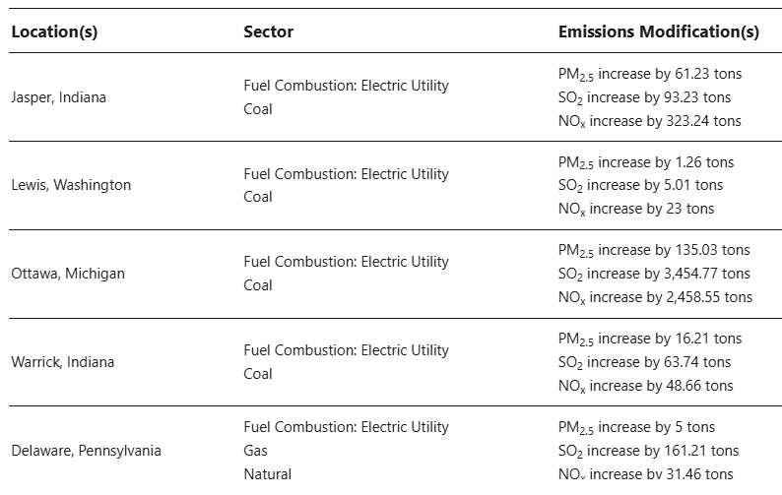
F B Culley Generating Station
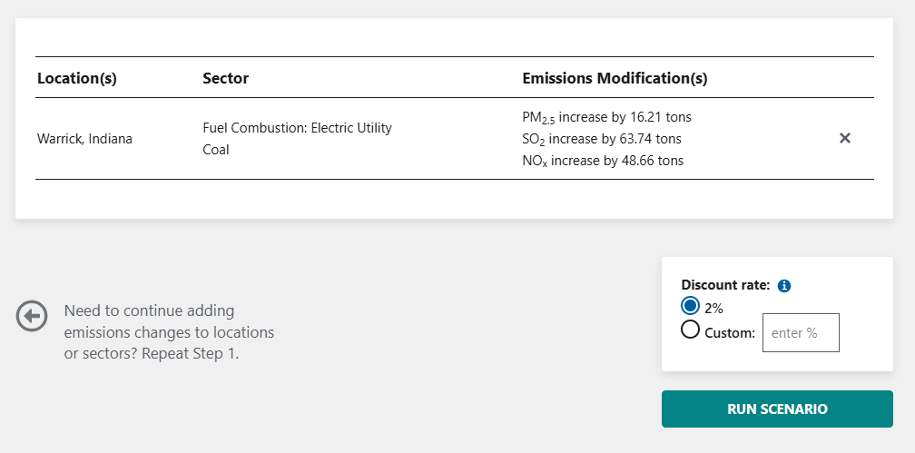

J H Campbell

Centralia

R M Schahfer Generating Station

Eddystone Generating Station

C H Stanton

Craig

TOTAL

